Initial
Goal: Get an initial baseline data for converting RSSI to distance from different orientations
Sampling period: 500ms
Sampling time: 30 seconds
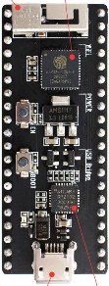
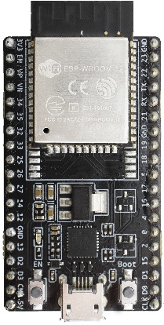
d1
d2
d3
0°
90°
180°
270°
 | Distance | Horizontal Plane Relative Orientation | Vertical Plane Relative Orientation
 | 0.25m | 0° | 0°
 | 0.5m | 90° | 90°※
 | 0.75m | 180° | 180°※
 | 1m | 270° | 270°※
 | 1.5m
 | 2m
 | 2.25m
 | 2.5m
 | 2.75m
 | 3m
 | 3.5m
 | 4m
 | 5m

